Test excution details
User Story 005
Test case number | Test case name | Description | Screenshot
TC_001 | Non-Account Holder Error Message | Verify that an error message is displayed when a non-account holder tries to access the application | 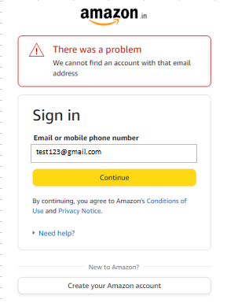
TC_002 | Display of Account Creation Fields | Verify that the required fields for creating an account are displayed when the user clicks on " Create your Amazon account " | 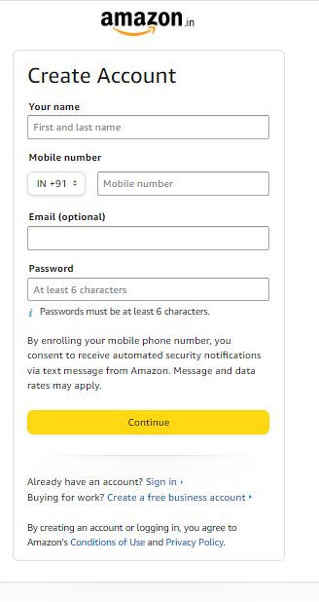
TC_004 | Minimum Password Length | Verify that the password field requires a minimum length of 6 characters. | 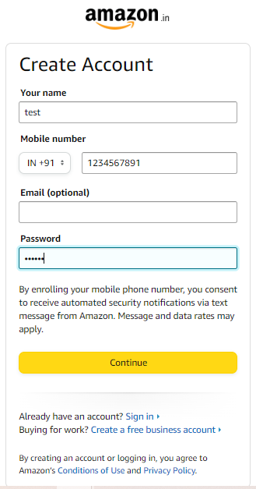
TC_007 | Mandatory Fields and Error Handling | Verify all fiels which are mandatory except email field and check whether the appropriate error messages are being displayed when any required field is left empty | 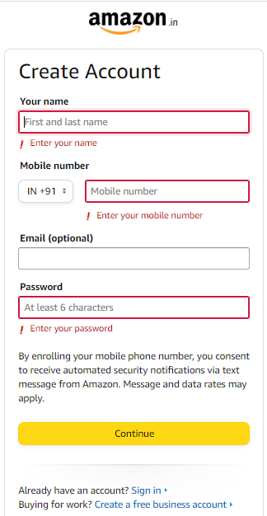
TC_011 | Country Code Drop-Down | Verify that the country code is available in a drop-down menu with the correct codes | 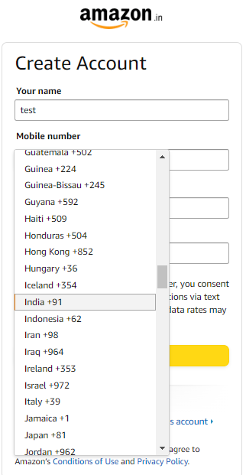
TC_013 | Default Country Code by Geolocation | Verify that the country code is automatically populated based on the user's geolocation | 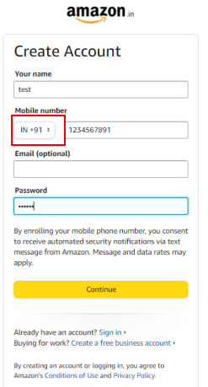
TC_018 | Display of Consent Message | Ensure that the message regarding consent to receive security notifications is displayed on the screen | 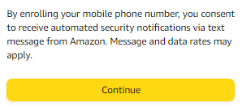
TC_020 | Successful Creation of Credentials | Verify that the user can successfully create credential
TC_021 | Successful Login Functionality | Verify that the user can successfully log in with the created credentials | 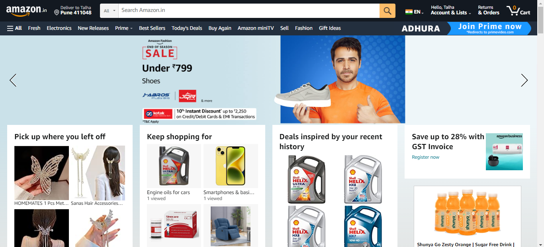
TC_022 | Successful Creation of Credentials | Verify that the user cannot enter wrong Email ID | 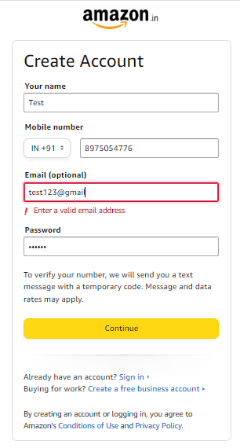

Defect_Snapshots
User Story 005
Defect number | Issues
DF_001 | The fields Your name, Mobile number with Country Code,Email and Password is not accessible

DF_002 | Unable to select country code and drop down list is not opening
 | 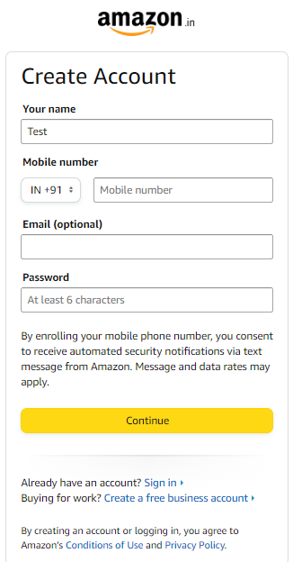
DF_003 | The default country code is not populated based on the geolocation
 | 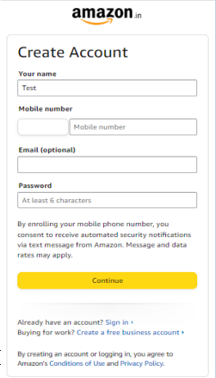
DF_004 | The default country code is incorrect based on the geolocation
 | 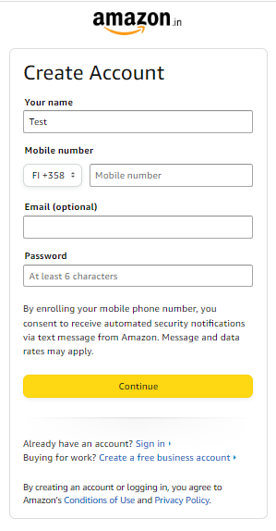
DF_005 | It is accepting the wrong country code and the user is registered with no error message
 | 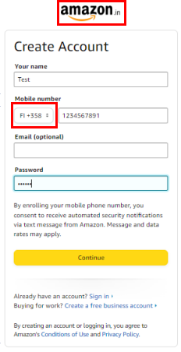
DF_006 | The message "By enrolling your mobile phone number, you consent to receive automated security notifications via text message from Amazon. Message and data rates may apply" is not visible on the screen
 | 